1. Title Page
Grocery Basket Analysis

Project Name: Instacart Grocery Basket Analysis
Date: October 5, 2023
Analyst Name: Mark Grillo

Contents:
Population Flow
Consistency checks
Wrangling steps
Column derivations
Visualizations
Recommendations

2. Population Flow
 | Title page

Population flow

Exclusion flag
Condition: max_order < 5
Obervations to be removed: 1,440,295
Final total count of order_products_all: 30,964,564

Total: 32,404,859
Total: 32,404,859
Total: 32,404,859

Orders_products_combined
Orders_products_merged
Orders_products_all

• Sample of Total: 16,202,429

3. Consistency checks
 |  |  |  | Title page
Consistency checks

Dataset | Missing values | Missing values treatment | Duplicates
orders | 206,209 missing values were found in the 'days_since_prior_order column. | No action was taken. These values indicated new orders. | No duplicates were found
products | 16 missing values werer found in the 'Product_name' column | The missing values were removed | 5 duplicate rows were found and deleted
orders_products_prior | No missing values found | no action was needed. | No duplicate values were found
customers | 11,259 missing values were found in the first name column | PII information was considered and the column was removed. | No duplicate values were found

4. Wrangling steps
 |  |  |  | Title page
Wrangling steps

Columns dropped | Columns renamed | Columns' type changed | Comment/Reason
eval set |  |  | not necessary for analysis
first name |  |  | PII and not necessary to analysis
surname |  |  | PII and not necessary to analysis
merge |  |  | not necessary for analysis
add to cart order |  |  | not necessary for analysis
reorder |  |  | not necessary for analysis
aisle id |  |  | not necessary for analysis
 | STATE to state |  | for consistency all lower case
 | Gender to sex |  | for consistency all lower case and categorization
 | Age to age |  | for consistency all lower case
 | n_dependants to dependents |  | consistency all lower case and it was spelled wrong
 |  | user_id | changed type to string
 |  | order_id | changed type to string

5. Column derivations
 |  |  |  | Title page

Column derivations and aggregations

Dataset | New column | Column/s it was derived from | Conditions
df_ords_prods_merged.pkl | price_range_loc | prices | Low range product: prices <=5 Mid range product: prices >5 & <= 15 High range product: prices > 15
df_ords_prods_merged.pkl | busiest_day | orders_day_of_the_week | Busiest day: order_day_of_week = 0 Least busy: order_day_of_week = 4 Regularly busy: all else
df_ords_prods_merged.pkl | busiest_day | orders_day_of_the_week | Busiest Days: order_day_of_week = 0 or 1 Slowest days: order_day_of_week = 4 or 3 Regularly busy: all else
df_ords_prods_merged.pkl | busiest_period_of_the_day | order_hour_of_the_day | Most orders: value in 10, 11, 14, 15, 13, 12, 16, 9 Fewest orders: value in 23, 6, 0, 1, 5, 2, 4, 3 Average orders: all else
df_ords_prods_merged.pkl | max_order | user_id, order_number | Max number of orders for each user_id
df_ords_prods_merged.pkl | loyalty_flag | max_order | Loyal customer: max_order > 40 Regular Customer: max_order <= 40 & >10 New Customer: max_order <= 10
df_ords_prods_merged.pkl | average_price | user_id, prices | Mean prices for each user_id
df_ords_prods_merged.pkl | spending_flag | average_price | Low spender: avg price < 10 High spender: avg price >= 10
df_ords_prods_merged.pkl | order_fequency_flag | median_prior_orders | Non-frequent customer: median_days_since_prior_order >20 Regular customer: median_days_since_prior_order <= 20 & >10 Frequent customer: median_days_since_prior_order <=10
df_ords_prods_merged.pkl | customer_activity | max_order | low activity: max_order < 5 high activity: max_order >= 5
df_ords_prods_merged.pkl | age_group | age | 18-29: Age <= 29 30-39: Age > 29 and < 40 40-49: Age > 39 and < 50 50-59: Age > 49 and < 60 60-69: Age > 59 and < 70 70 and over: Age > 69
df_ords_prods_merged.pkl | income_group | income | Lower: income <= 75000 Middle: income > 75000 and <= 120000 Upper: income > 120000
df_ords_prods_merged.pkl | customer_profile | dependents | Single adult: depandents = 0 Young parent: dependants > 0 Family: dependents <= 2 Big Family: dependents > 2

6. Visualizations
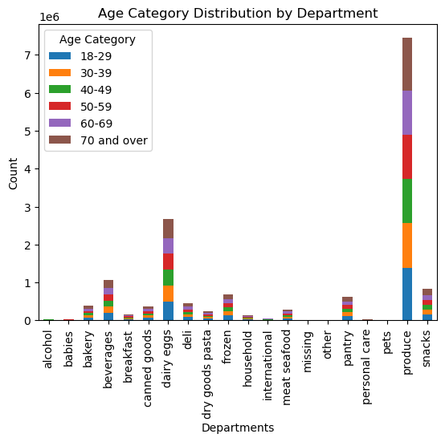
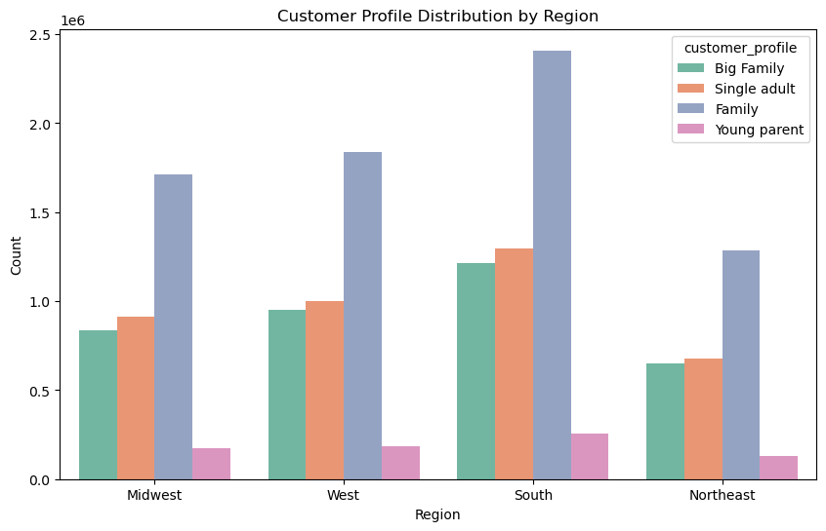
Title page

Visualizations
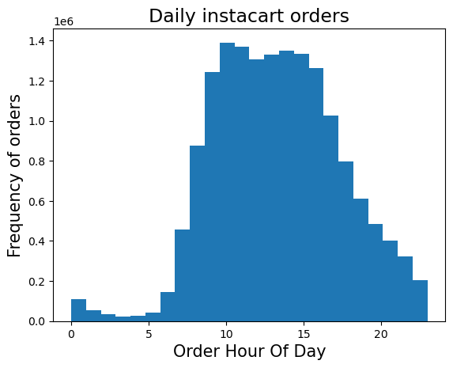

1. The Instacart senior stakeholders want descriptive findings about sales per hour of the day.
The # of instacart orders peaks at 10am.
Orders stay steady from 10am until 4pm.
Lunchtime is the busiest time of day for orders.

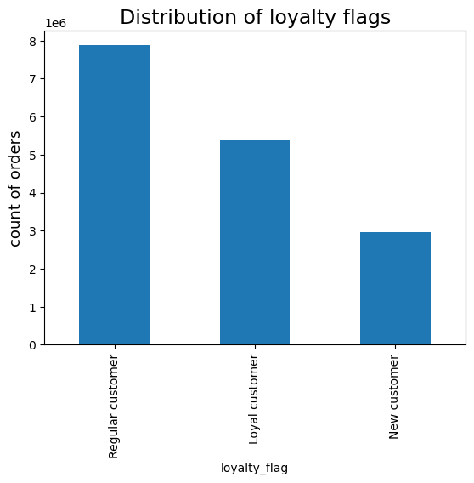

2. Insights for the marketing team about the distribution of orders among customers in terms of loyalty.
Regular customers have the majority of purchases with more than 50% of orders compared to new customers.

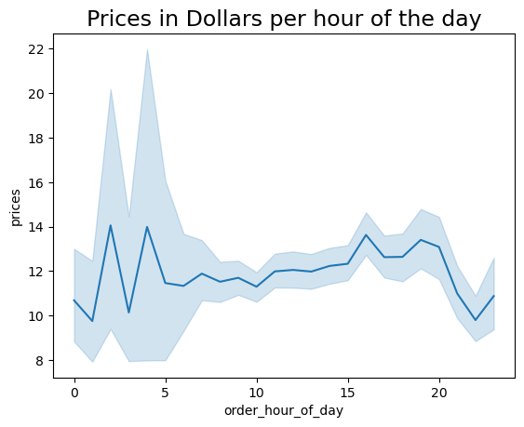

3. Reviewing whether there’s a difference in expenditure (the “prices” column) depending on the hour of the day.
There is no significant relation seen regarding the price of items purchased and the hour of which they are purchased.

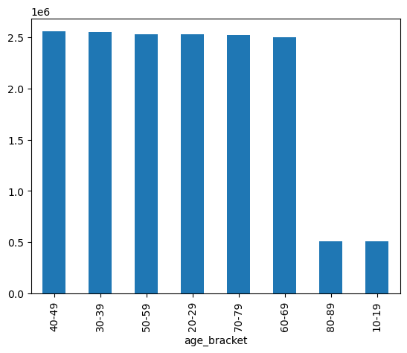
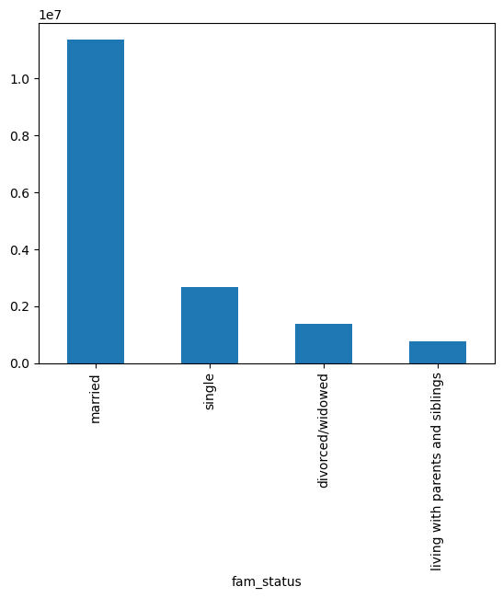

4. Conducting exploratory analysis of customer demographics to inform the targeted marketing campaigns. Determining whether there’s a connection between age and family situation.
Married couples make up the majority of distribution for instacart customers. Those living with parents and siblings make up the smallest per distribution.
The smallest proportion of customers, at 6%, are in the age groups 80-89 & 10-19.

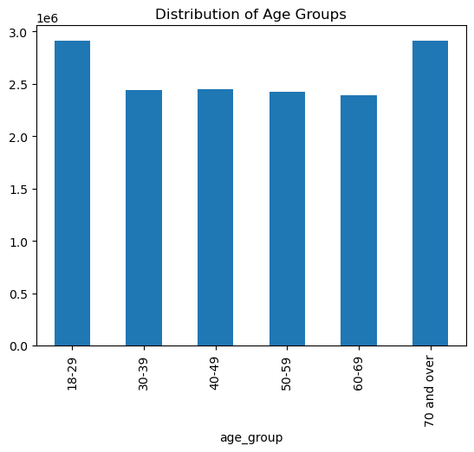
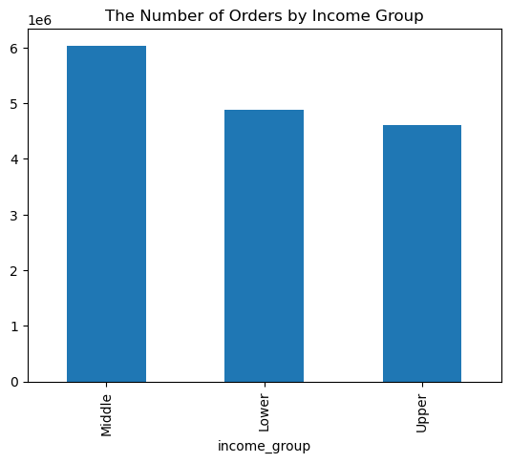

5. Creating an appropriate visualization to show the distribution of profiles for Instacart customers by age groups and income.
The middle-income class has the largest number of orders compared to the upper and lower income groups.
The age groups with the most orders per distribution are 70+ and 18-29.

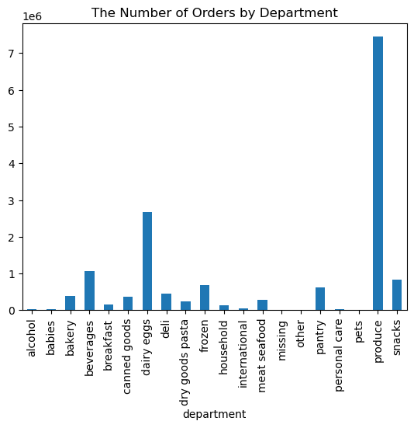

6. Are there certain products that are more popular than others to give insight to the sales team.
The produce department has the highest frequency of orders at 75%. Dairy eggs is in second and beverages third.

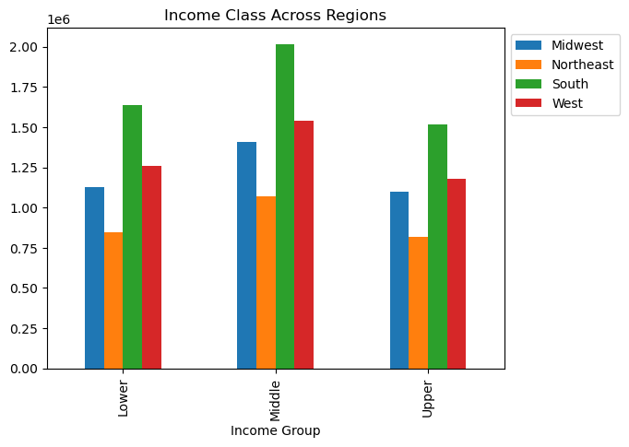
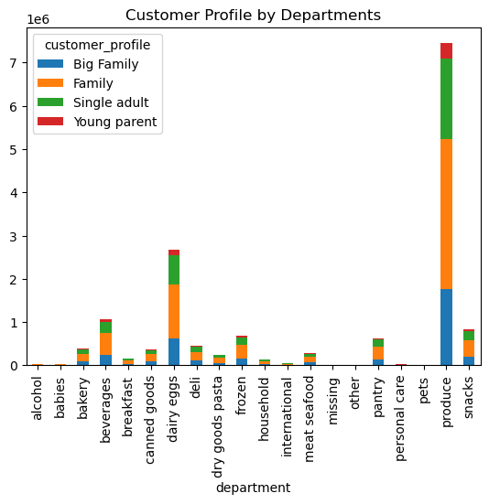

7. Review of customer profiles with regions and departments. Identifying behaviors and links that may exist across different regions.
The southern region is the highest income group by distribution while the northeast is the lowest
Families make up the largest distribution group by all departments, while young parents cover the smallest distribution
Distribution by age group is fairly equal accross all departments

7. Recommendations
 |  |  | Title page

Recommendations

Question | Answer | Recommendation
1. The Instacart senior stakeholders want descriptive findings about sales per hour of the day. | · The # of instacart orders peaks at 10am. | · Increasing the # of ads during busy hours will increase revenue

 | · Orders stay steady from 10am until 4pm.

 | · Lunchtime is the busiest time of day for orders.
2. Insights for the marketing team about the distribution of orders among customers in terms of loyalty. | · Regular customers have the majority of purchases with more than 50% of orders compared to new customers. | · Target incentives to move new and loyal customers to the purchasing level of regular customers.
3. Reviewing whether there’s a difference in expenditure (the “prices” column) depending on the hour of the day. | · There is no significant relation seen regarding the price of items purchased and the hour of which they are purchased. | · Run ads and promotions through social media apps where the average hours are for purchases 5am-10am. Target & discount higher end price products to gain revenue.
4. Conducting exploratory analysis of customer demographics to inform the targeted marketing campaigns. Determining whether there’s a connection between age and family situation. | · Married couples make up the majority of distribution for instacart customers. Those living with parents and siblings make up the smallest per distribution. | · Run family style ads and coupons which would benefit married couples as well as the minority distribution living with parents and siblings.

 | · The smallest proportion of customers, at 6%, are in the age groups 80-89 & 10-19. | · Promote discounts for products specifically related to the young and elderly in the family.
5. Creating an appropriate visualization to show the distribution of profiles for Instacart customers by age groups and income. | · The middle-income class has the largest number of orders compared to the upper- and lower-income groups. | · Target ads and products for the middle class that are geared toward younger parents and couples between age 18-29. Focus on baby products.

 | · The age groups with the most orders per distribution are 70+ and 18-29.
6. Are there certain products that are more popular than others to give insight to the sales team. | · The produce department has the highest frequency of orders at 75%. Dairy eggs are in second and beverages third. | · With the popularity of produce, dairy eggs and beverages recommend more advertisements for those items during high traffic times to increase customer traffic and revenue.
7. Review of customer profiles with regions and departments. Identifying behaviors and links that may exist across different regions. | · The southern region is the highest income group by distribution while the northeast is the lowest. | · Focus on the northeast for ads, promotions, and specials across all platforms to try to increase revenue in that region.

 | · Families make up the largest distribution group by all departments, while young parents cover the smallest distribution. | · Since young parents make up the smallest distribution of all products focus on specific discounts and items, they may exclusively purchase such as for the children.

 | · Young parents make up the smallest distribution.

